SAMPLE SHEET - DO NOT PRINT
LOCATION DESCRIPTION: |  | SR 19 at CR 48
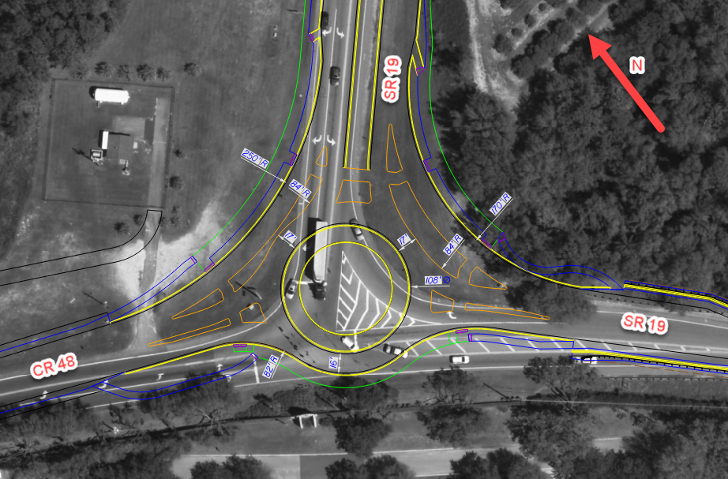
LOCATION |  |  | DESIGN VEHICLE FOR EACH MOVEMENT |  |  | DV SELECTION JUSTIFICATION*
DIRECTION | STREET NAME | MAJOR / MINOR | RIGHT | THRU | LEFT
NB | N/A | N/A | N/A | N/A | N/A
SB | SR 19 | MAJOR | WB-50 | N/A | WB-62 FL | Roundabout on the SHS and WB-62FL anticipated to make left onto continuation of SR 19. Only WB-50 anticipated from SR to CR movement.
EB | CR 48 | MINOR | N/A | WB-50 | WB-50 | Only WB-50 anticipated from CR to SR movement.
WB | SR 19 | MAJOR | WB-62 FL | WB-50 | N/A | Roundabout on the SHS and WB-62FL anticipated to make left onto continuation of SR 19. Only WB-50 anticipated from SR to CR movement.

LOCATION |  |  | CONTROL VEHICLE FOR EACH MOVEMENT |  |  | CV SELECTION JUSTIFICATION*
DIRECTION | STREET NAME | MAJOR / MINOR | RIGHT | THRU | LEFT
NB | N/A | N/A | N/A | N/A | N/A
SB | SR 19 | MAJOR | WB-62 FL | N/A | WB-62 FL | WB-62FL is anticipated to make these movements on an irregular basis and therefore design will accommodate this vehicle when necessary. WB-62 FL cannot navigate the bypass RTLs and will need to take the roundabout.
EB | CR 48 | MINOR | N/A | WB-62 FL | WB-62 FL
WB | SR 19 | MAJOR | WB-62 FL | WB-62 FL | N/A

ADDITIONAL COORDINATION OR DOCUMENTATION
Met with the County on 1/11/2030 and they confirmed their largest vehicle is the WB-62FL which regularly travels on the SR 19 route, however the design vehicle for CR 48 is the WB-50. Met with transit agency and confirmed their standard bus is 40' in length and autoturn confirms accommodation through roundabout on all legs.

*Notes: | 1. Each intersection should have its own tab sheet. Copy this tab sheet for each intersection location.
 | 2. Justification should include thorough review of the context classification, surrounding area, coordination with local stakeholders, design impacts and challenges, etc.

